10. Body Map
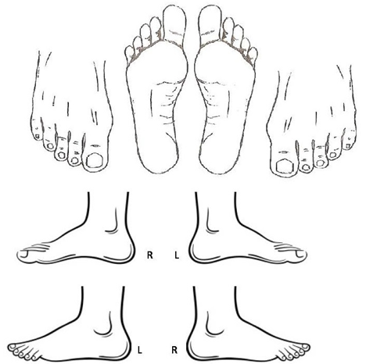
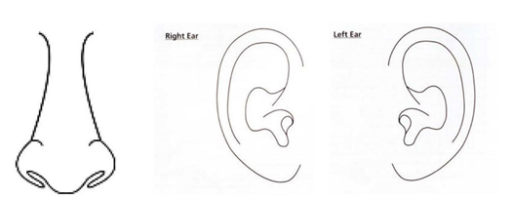
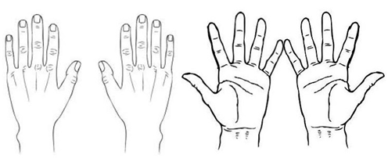
Overnight Event Name | Overnight Event Dates |  |  |  | Page Numbering
XX | XX
Overnight Event Address |  |  | Name of First Aider & Initials
XX |  |  | XX
BODY MAP
Full Name |  | Age |  | Date
Guidance for the use of the body map. Mark on the body map the location of wound(s). Multiple wounds to be numbered. If the wound is not a uniform shape a diagram of the wound can be drawn at the side of the body map. Measure the size of the wound in centimetres. The length of the wound is measured from ‘north to south’ or ‘head to foot’ and the width of the wound is measured from ‘east to west’ or ‘shoulder to shoulder’. See example provided in the Appendix.

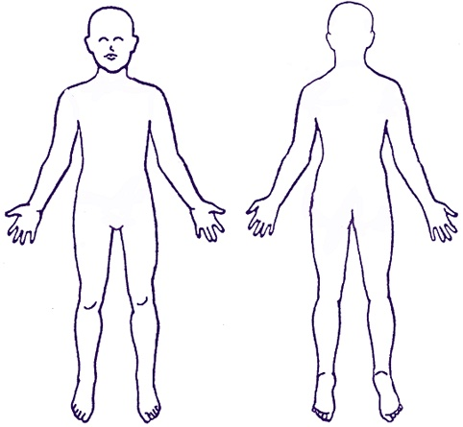
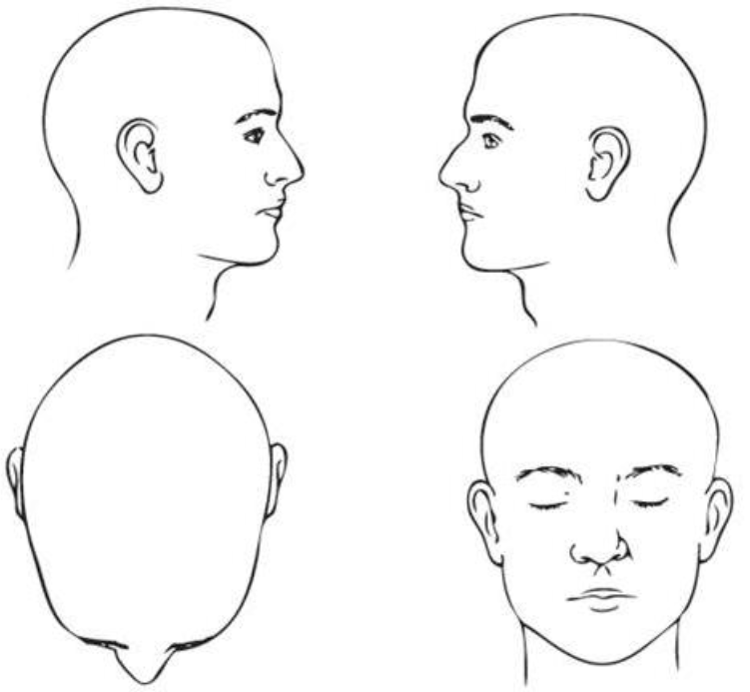

Overnight Event Name | Overnight Event Dates |  |  |  | Page Numbering
XX | XX
Overnight Event Address |  |  | Name of First Aider & Initials
XX |  |  | XX

BODY MAP Cont'
Full Name |  | Age |  | Date

12. Appendix
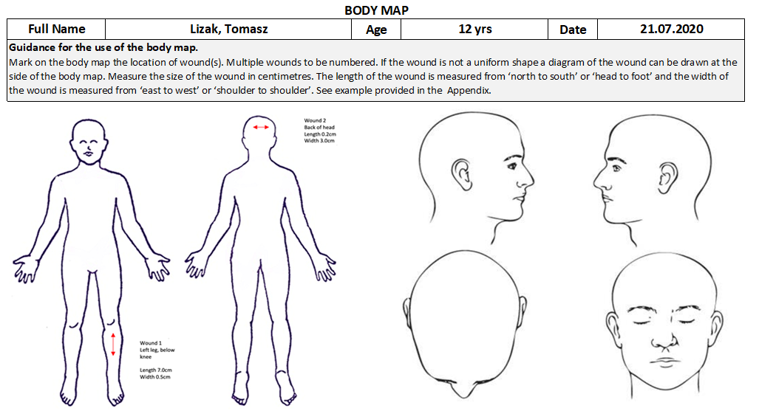
APPENDIX - GENERAL NOTES
Below are examples of how to complete each form in the First Aid Log Book. Please write clearly and only in English. All illnesses and injuries must be noted in the Daily Log Book (Tab 5). A serious injury e.g. broken bones; head injury will also need to have the Accident Report form (Tab 9) completed for potential insurance purposes If you administer any medication from the agreed list to which parents have given consent, then this must be documented in the Daily Log Book (Tab 5). If you are administering regular prescribed medication as identified in participants Health Card then this must be documented on the Medication Administration Sheet (Tab 7). You must only administer medication which parents have consented to you administering. Prepare 2 copies of the Summary of Visit (Tab 9)– keep one in your First Aid Log Book and the other to be given to parent/guardian at the end of the overnight event.

APPENDIX - EXAMPLE OF PARTICIPANTS LIST
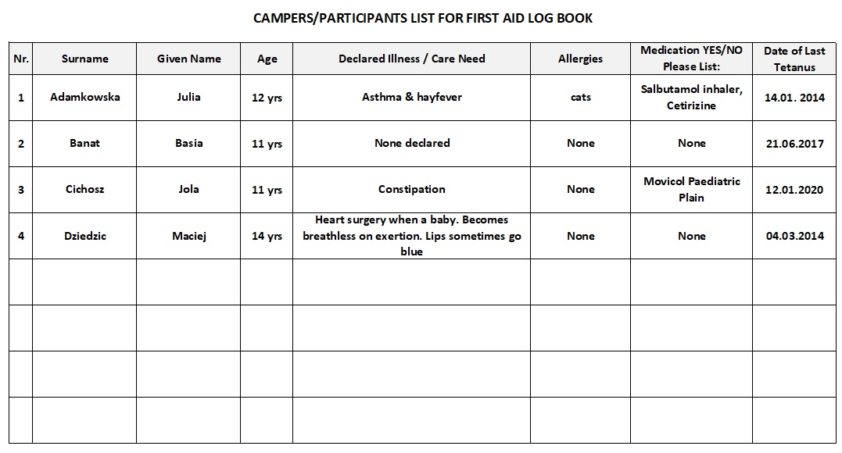

APPENDIX - EXAMPLE OF DAILY LOG BOOK

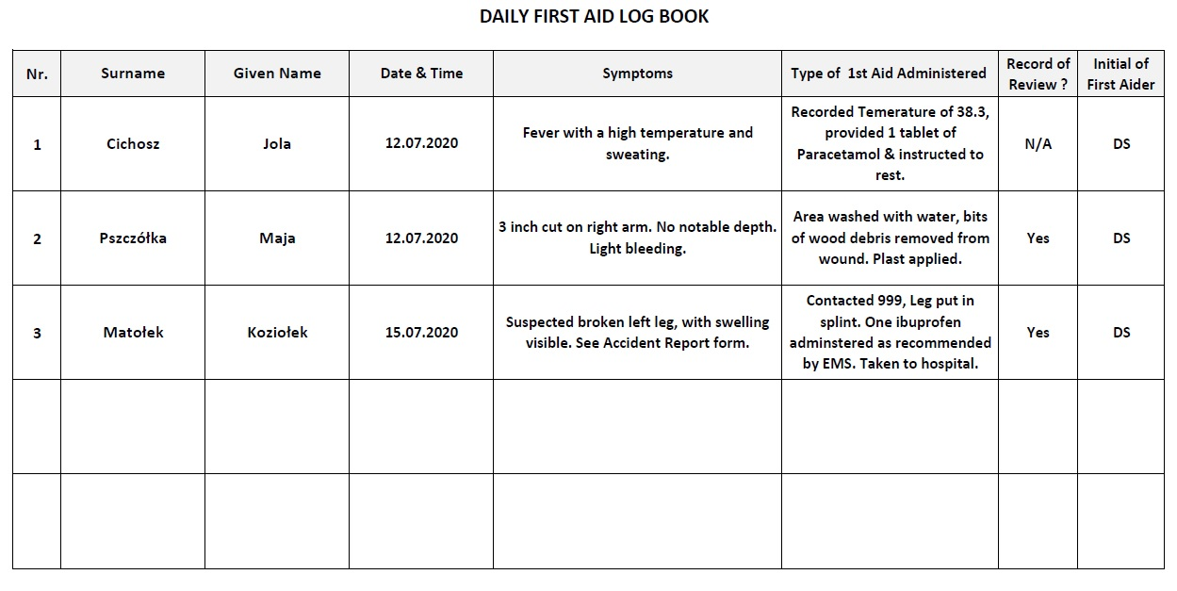

APPENDIX - EXAMPLE OF VISITS TO THE DOCTOR, DENTIST, HOSPITAL

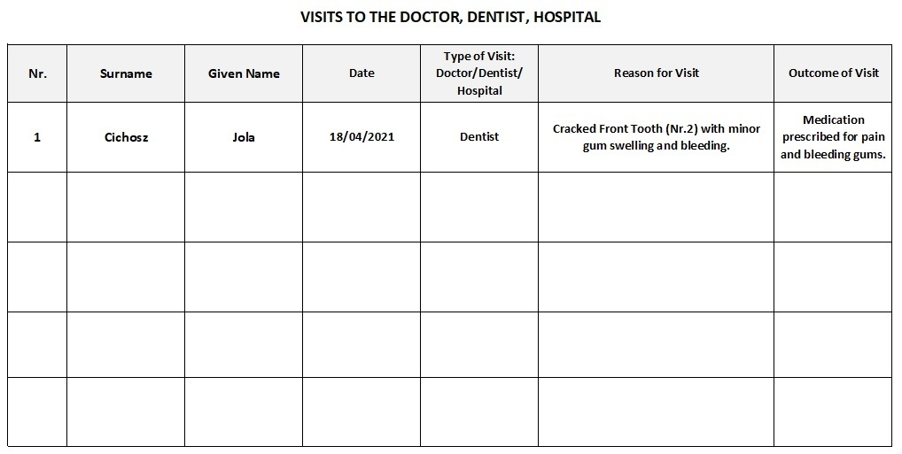

APPENDIX - EXAMPLE OF MEDICATION ADMINISTRATION SHEET

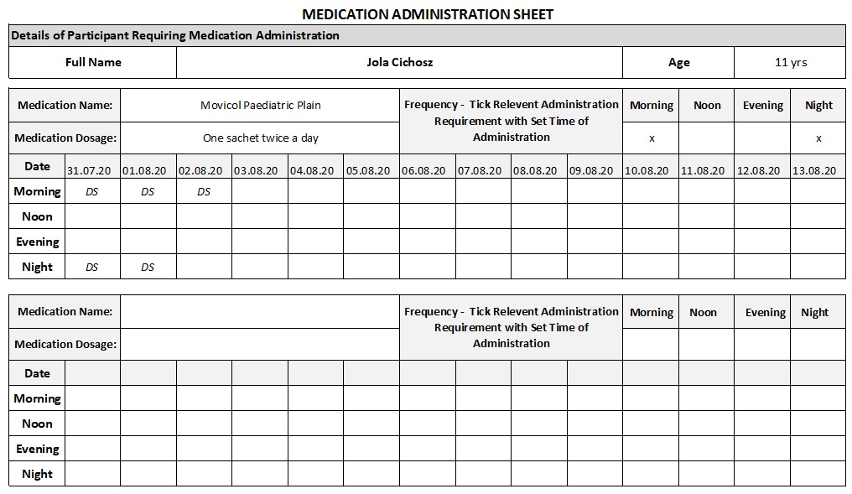

APPENDIX - EXAMPLE OF SUMMARY OF VISIT TO DOCTOR, DENTIST, MINOR INJURY UNIT OR HOSPITAL
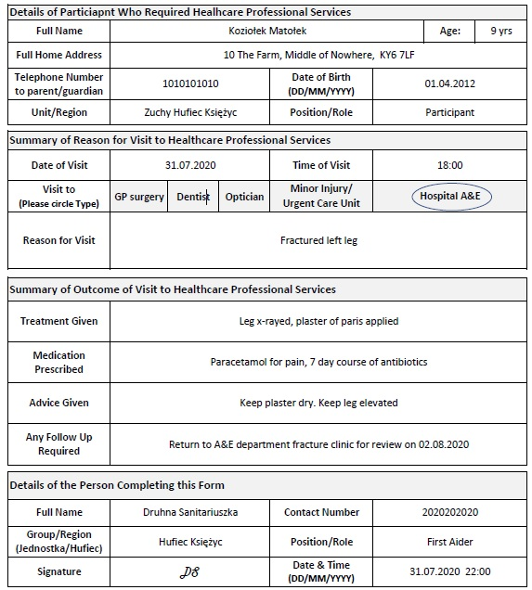

APPENDIX - EXAMPLE OF BODY CHART

